Overview Diagram
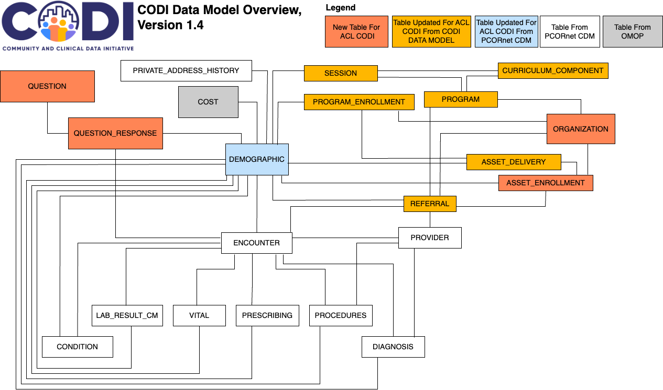
CODI Data Model Overview Diagram, Version 1.4

Entity Relationship Diagram
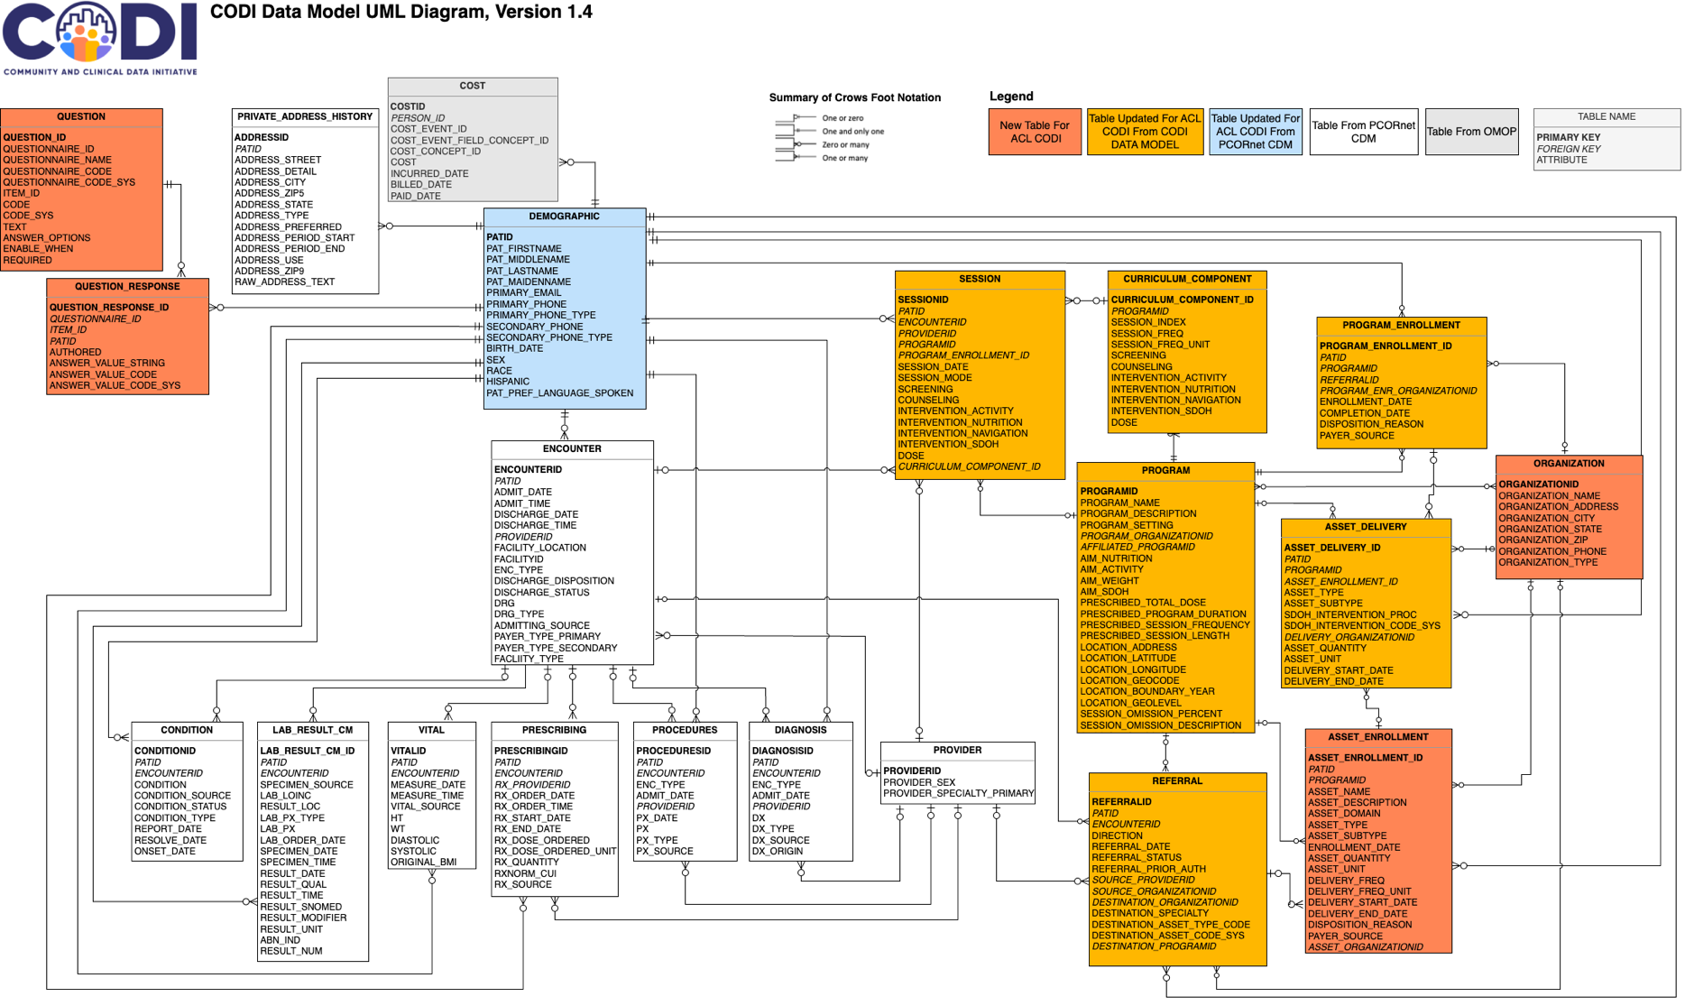
CODI Data Model Overview Diagram, Version 1.4

